General Info
ชื่อโครงการ | ชื่อโครงการ
Phase | POC/Dev/Production(กรุณาระบุทุก Phase)
Subscription ที่ให้ใช้งาน | โปรดระบุการจัดสรรค่าใช้จ่ายการใช้งาน Resource เป็นของหน่วยงานใด หากไม่ทราบกรุณาสอบถาม กดม.
Environment/Subnet ที่ใช้ | Ex. POC,DEV,QAS,PRD,
จำนวน IP ที่ใช้งานในแต่ละ subnet | Ex. POC =5, Dev =5 , PRD = 5
มีการเชื่อมต่อกับ Internal Network หรือไม่ | ไม่มีการเชื่อมต่อกับ Internal Network
Project Owner | Ex. ชื่อ นามสกุล Email
Department Owner | ใส่ แผนก
Vendor Contact Name | Ex. Harry Potter <harry.p@hogwarts.com>

Time Line ของการใช้งานแต่ละ Environment | เพื่อให้จัดสรรการสร้าง Resource ให้เหมาะสมและ Optimize Cost มากที่สุด กรุณาระบุ YYYY-MM-DD ที่ต้องการใช้งาน
 | Start Date | End Date (เครื่องจะถูก Shutdown ทันทีเมื่อถึงวันนี้ ตาม Policy ของ กดม.)
DEV | 1999-01-01 | 2000-01-01
SIT | 1999-01-01 | 2000-01-01
UAT | 1999-01-01 | 2000-01-01
PROD | 1999-01-01 | -

กรุณากรอกทุกช่อง

SystemDiagram
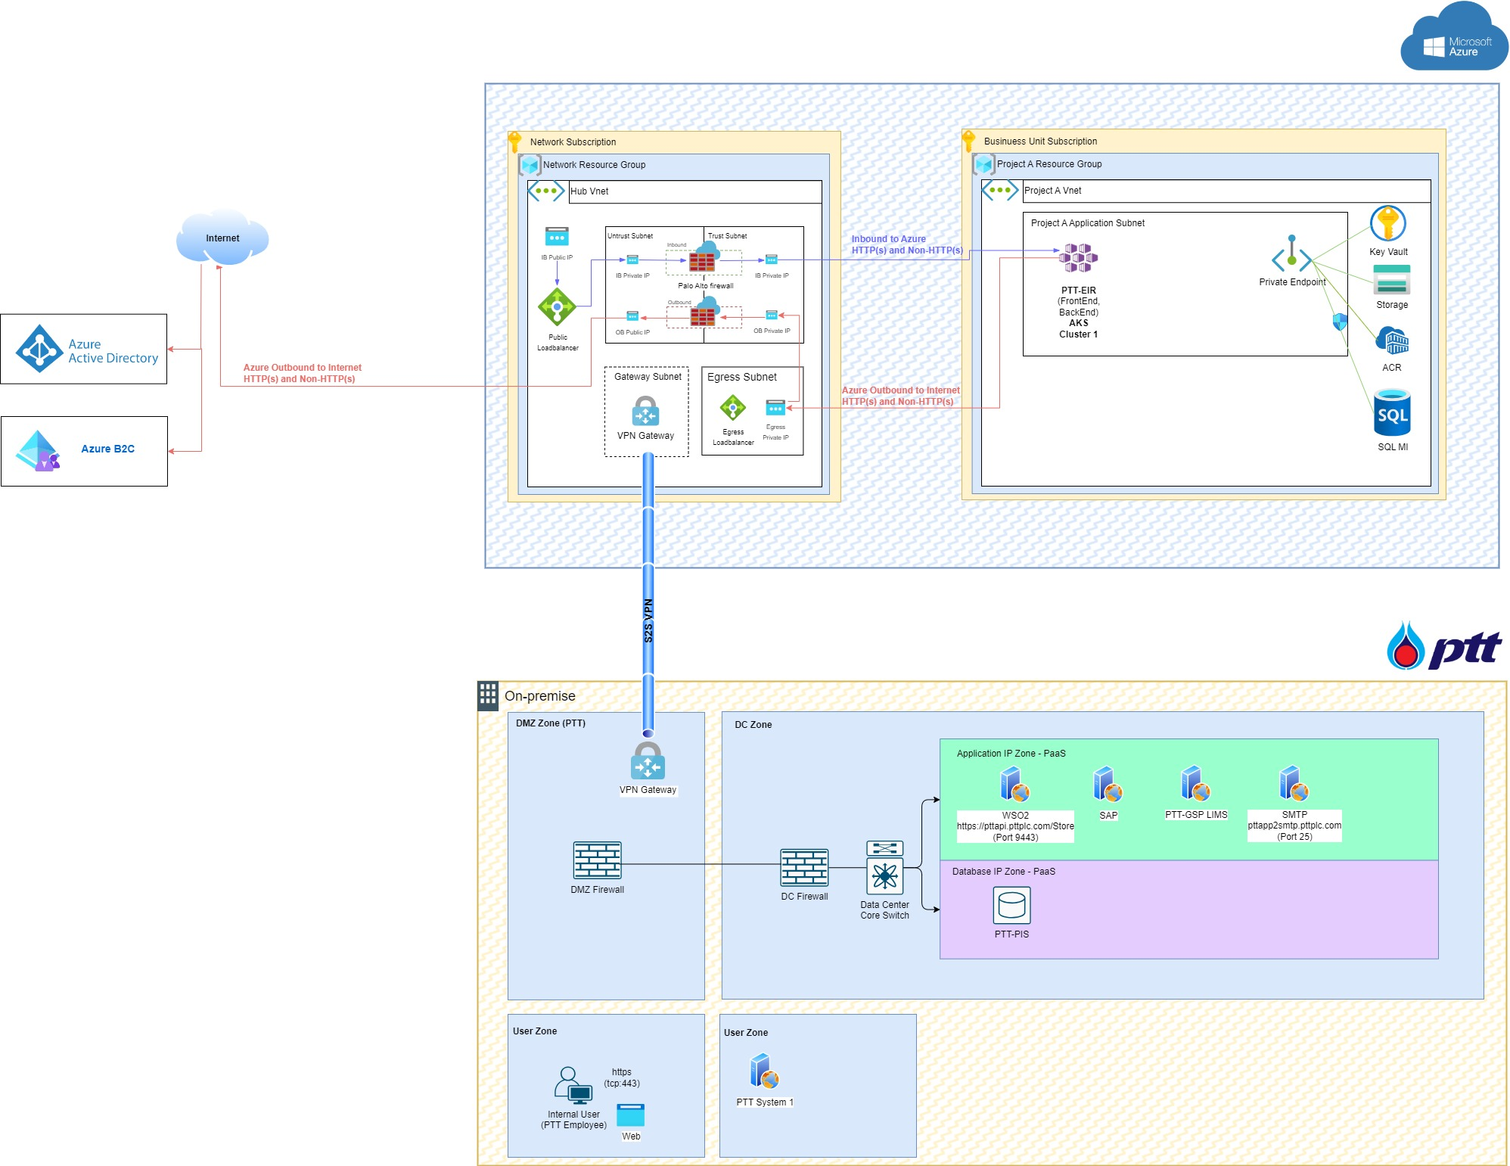

Example

ResourceListandCost_Dev
นำ Excel ทีได้จาก Azure Price Calculator https://azure.microsoft.com/en-ca/pricing/calculator/ มาใส่ โดยแยก Environment ที่ต้องการ ตาม Excel Sheet
PTTDIGTIAL จะกำหนดชื่อ Resource Name ตาม Standard และส่งกลับ

Microsoft Azure Estimate
Example
Service category | Service type | Region | Description | Estimated monthly cost | Estimated upfront cost
Compute | Azure Kubernetes Service (AKS) | Southeast Asia | Standard; Cluster management for 1 clusters; 1 D8s v3 (8 vCPUs, 32 GB RAM) x 730 Hours (Pay as you go), Linux; 0 managed OS disks – S4 | $438.00 | $0.00
Containers | Azure Container Registry | Southeast Asia | Basic Tier, 1 registry x 30 days, 100 GB Extra Storage, Container Build - 1 CPUs x 1 Seconds - Inter Region transfer type, 100 GB outbound data transfer from Southeast Asia to East Asia | $22.60 | $0.00
Example
Storage | Storage Accounts | Southeast Asia | Block Blob Storage, General Purpose V2, Hierarchical Namespace, LRS Redundancy, Hot Access Tier, 500 GB Capacity - Pay as you go, 100 x 10,000 Write operations, 100 x 10,000 Read operations, 10 x 10,000 Iterative Read operations, 10 x 100 Iterative Write operations, 1,000 GB Data Retrieval, 1,000 GB Data Write, SFTP disabled, 1,000 GB Index, 1 x 10,000 Other operations | $46.71 | $0.00
Security | Key Vault | Southeast Asia | Vault: 300,000 operations, 0 advanced operations, 0 renewals, 0 protected keys, 0 advanced protected keys; Managed HSM Pools: 0 Standard B1 HSM Pool(s) x 730 Hours | $0.90 | $0.00
Databases | Azure SQL Database | Southeast Asia | Single Database, vCore, General Purpose, Provisioned, Standard-series (Gen 5), Locally Redundant, 1 - 2 vCore Database(s) x 730 Hours, 32 GB Storage, RA-GRS Backup Storage Redundancy, 0 GB Point-In-Time Restore, 0 x 5 GB Long Term Retention | $416.15 | $0.00
Support |  | Support |  | $0.00 | $0.00
 |  | Licensing Program | Microsoft Customer Agreement (MCA)
 |  | Billing Account
 |  | Billing Profile
 |  | Total |  | $924.36 | $0.00

Disclaimer
All prices shown are in United States – Dollar ($) USD. This is a summary estimate, not a quote. For up to date pricing information please visit https://azure.microsoft.com/pricing/calculator/
This estimate was created at 3/20/2024 10:58:02 AM UTC.

ResourceListandCost_SIT
นำ Excel ทีได้จาก Azure Price Calculator https://azure.microsoft.com/en-ca/pricing/calculator/ มาใส่ โดยแยก Environment ที่ต้องการ ตาม Excel Sheet
PTTDIGTIAL จะกำหนดชื่อ Resource Name ตาม Standard และส่งกลับ

Microsoft Azure Estimate
Example
Service category | Service type | Region | Description | Estimated monthly cost | Estimated upfront cost
Compute | Azure Kubernetes Service (AKS) | Southeast Asia | Standard; Cluster management for 1 clusters; 1 D8s v3 (8 vCPUs, 32 GB RAM) x 730 Hours (Pay as you go), Linux; 0 managed OS disks – S4 | $438.00 | $0.00
Containers | Azure Container Registry | Southeast Asia | Basic Tier, 1 registry x 30 days, 100 GB Extra Storage, Container Build - 1 CPUs x 1 Seconds - Inter Region transfer type, 100 GB outbound data transfer from Southeast Asia to East Asia | $22.60 | $0.00
Example
Storage | Storage Accounts | Southeast Asia | Block Blob Storage, General Purpose V2, Hierarchical Namespace, LRS Redundancy, Hot Access Tier, 500 GB Capacity - Pay as you go, 100 x 10,000 Write operations, 100 x 10,000 Read operations, 10 x 10,000 Iterative Read operations, 10 x 100 Iterative Write operations, 1,000 GB Data Retrieval, 1,000 GB Data Write, SFTP disabled, 1,000 GB Index, 1 x 10,000 Other operations | $46.71 | $0.00
Security | Key Vault | Southeast Asia | Vault: 300,000 operations, 0 advanced operations, 0 renewals, 0 protected keys, 0 advanced protected keys; Managed HSM Pools: 0 Standard B1 HSM Pool(s) x 730 Hours | $0.90 | $0.00
Databases | Azure SQL Database | Southeast Asia | Single Database, vCore, General Purpose, Provisioned, Standard-series (Gen 5), Locally Redundant, 1 - 2 vCore Database(s) x 730 Hours, 32 GB Storage, RA-GRS Backup Storage Redundancy, 0 GB Point-In-Time Restore, 0 x 5 GB Long Term Retention | $416.15 | $0.00
Support |  | Support |  | $0.00 | $0.00
 |  | Licensing Program | Microsoft Customer Agreement (MCA)
 |  | Billing Account
 |  | Billing Profile
 |  | Total |  | $924.36 | $0.00

Disclaimer
All prices shown are in United States – Dollar ($) USD. This is a summary estimate, not a quote. For up to date pricing information please visit https://azure.microsoft.com/pricing/calculator/
This estimate was created at 3/20/2024 10:58:02 AM UTC.

ResourceListandCost_UAT
นำ Excel ทีได้จาก Azure Price Calculator https://azure.microsoft.com/en-ca/pricing/calculator/ มาใส่ โดยแยก Environment ที่ต้องการ ตาม Excel Sheet
PTTDIGTIAL จะกำหนดชื่อ Resource Name ตาม Standard และส่งกลับ

Microsoft Azure Estimate
Example
Service category | Service type | Region | Description | Estimated monthly cost | Estimated upfront cost
Compute | Azure Kubernetes Service (AKS) | Southeast Asia | Standard; Cluster management for 1 clusters; 1 D8s v3 (8 vCPUs, 32 GB RAM) x 730 Hours (Pay as you go), Linux; 0 managed OS disks – S4 | $438.00 | $0.00
Containers | Azure Container Registry | Southeast Asia | Basic Tier, 1 registry x 30 days, 100 GB Extra Storage, Container Build - 1 CPUs x 1 Seconds - Inter Region transfer type, 100 GB outbound data transfer from Southeast Asia to East Asia | $22.60 | $0.00
Example
Storage | Storage Accounts | Southeast Asia | Block Blob Storage, General Purpose V2, Hierarchical Namespace, LRS Redundancy, Hot Access Tier, 500 GB Capacity - Pay as you go, 100 x 10,000 Write operations, 100 x 10,000 Read operations, 10 x 10,000 Iterative Read operations, 10 x 100 Iterative Write operations, 1,000 GB Data Retrieval, 1,000 GB Data Write, SFTP disabled, 1,000 GB Index, 1 x 10,000 Other operations | $46.71 | $0.00
Security | Key Vault | Southeast Asia | Vault: 300,000 operations, 0 advanced operations, 0 renewals, 0 protected keys, 0 advanced protected keys; Managed HSM Pools: 0 Standard B1 HSM Pool(s) x 730 Hours | $0.90 | $0.00
Databases | Azure SQL Database | Southeast Asia | Single Database, vCore, General Purpose, Provisioned, Standard-series (Gen 5), Locally Redundant, 1 - 2 vCore Database(s) x 730 Hours, 32 GB Storage, RA-GRS Backup Storage Redundancy, 0 GB Point-In-Time Restore, 0 x 5 GB Long Term Retention | $416.15 | $0.00
Support |  | Support |  | $0.00 | $0.00
 |  | Licensing Program | Microsoft Customer Agreement (MCA)
 |  | Billing Account
 |  | Billing Profile
 |  | Total |  | $924.36 | $0.00

Disclaimer
All prices shown are in United States – Dollar ($) USD. This is a summary estimate, not a quote. For up to date pricing information please visit https://azure.microsoft.com/pricing/calculator/
This estimate was created at 3/20/2024 10:58:02 AM UTC.

ResourceListandCost_PRD
นำ Excel ทีได้จาก Azure Price Calculator https://azure.microsoft.com/en-ca/pricing/calculator/ มาใส่ โดยแยก Environment ที่ต้องการ ตาม Excel Sheet
PTTDIGTIAL จะกำหนดชื่อ Resource Name ตาม Standard และส่งกลับ

Microsoft Azure Estimate
Example
Service category | Service type | Region | Description | Estimated monthly cost | Estimated upfront cost
Compute | Azure Kubernetes Service (AKS) | Southeast Asia | Standard; Cluster management for 1 clusters; 1 D8s v3 (8 vCPUs, 32 GB RAM) x 730 Hours (Pay as you go), Linux; 0 managed OS disks – S4 | $438.00 | $0.00
Containers | Azure Container Registry | Southeast Asia | Basic Tier, 1 registry x 30 days, 100 GB Extra Storage, Container Build - 1 CPUs x 1 Seconds - Inter Region transfer type, 100 GB outbound data transfer from Southeast Asia to East Asia | $22.60 | $0.00
Storage | Storage Accounts | Southeast Asia | Block Blob Storage, General Purpose V2, Hierarchical Namespace, LRS Redundancy, Hot Access Tier, 500 GB Capacity - Pay as you go, 100 x 10,000 Write operations, 100 x 10,000 Read operations, 10 x 10,000 Iterative Read operations, 10 x 100 Iterative Write operations, 1,000 GB Data Retrieval, 1,000 GB Data Write, SFTP disabled, 1,000 GB Index, 1 x 10,000 Other operations | $46.71 | $0.00
Example
Security | Key Vault | Southeast Asia | Vault: 300,000 operations, 0 advanced operations, 0 renewals, 0 protected keys, 0 advanced protected keys; Managed HSM Pools: 0 Standard B1 HSM Pool(s) x 730 Hours | $0.90 | $0.00
Databases | Azure SQL Database | Southeast Asia | Single Database, vCore, General Purpose, Provisioned, Standard-series (Gen 5), Locally Redundant, 1 - 2 vCore Database(s) x 730 Hours, 32 GB Storage, RA-GRS Backup Storage Redundancy, 0 GB Point-In-Time Restore, 0 x 5 GB Long Term Retention | $416.15 | $0.00
Support |  | Support |  | $0.00 | $0.00
 |  | Licensing Program | Microsoft Customer Agreement (MCA)
 |  | Billing Account
 |  | Billing Profile
 |  | Total |  | $924.36 | $0.00

Disclaimer
All prices shown are in United States – Dollar ($) USD. This is a summary estimate, not a quote. For up to date pricing information please visit https://azure.microsoft.com/pricing/calculator/
This estimate was created at 3/20/2024 10:58:02 AM UTC.

